Dashboard
Salary Data for the United States
Total Salary by Occupation
 | Total
Accountant | $531,862
Actor | $403,372
Aeroplane Pilot | $89,983
Agronomist | $468,110
Archeologist | $260,974
Architect | $344,055
Astronomer | $637,906
Auditor | $716,134
Baker | $56,038
Biochemist | $386,564
Botanist | $860,629
Carpenter | $943,194
Chef | $272,970
Chemist | $245,398
Composer | $188,186
Dancer | $196,767
Driver | $417,380
Economist | $664,758
Electrician | $632,401
Engineer | $880,785
Fashion Designer | $104,419
Fine Artist | $390,589
Firefighter | $265,527
Florist | $479,923
Geologist | $428,342
Graphic Designer | $715,260
Hairdresser | $853,125
Historian | $121,736
Insurer | $35,267
Interior Designer | $365,832
Interpreter | $379,574
Jeweller | $452,068
Journalist | $303,357
Lawer | $250,741
Lecturer | $261,961
Manager | $204,703
Mathematician | $455,248
Mechanic | $320,113
Medic | $41,513
Meteorologist | $1,077,682
Pharmacist | $898,374
Photographer | $282,564
Physicist | $202,134
Police Officer | $307,496
Producer | $670,338
Programmer | $213,293
Salesman | $463,459
Scientist | $491,746
Singer | $595,588
Social Worker | $460,831
...
Salary by State
 | Female | Male
AK | $169,484 | $208,469
AL | $419,089 | $315,343
AR | $1,308,418 | $1,063,126
AZ | $644,714 | $926,045
CA | $967,506 | $1,638,865
CO | $134,099 | $412,838
CT | $56,038 | $711,804
DE | $647,318 | $384,471
FL | $254,799 | $265,725
GA | $242,972 | $1,039,737
HI | $206,466 | $662,478
IA | $183,727 | $160,007
ID | $0 | $359,096
IL | $120,479 | $225,353
IN | $35,872 | $196,220
KS | $89,983 | $178,788
KY | $265,437 | $31,796
LA | $56,804 | $244,698
MA | $30,842 | $302,266
MD | $59,047 | $262,149
ME | $92,343 | $154,798
MI | $463,887 | $44,703
MN | $0 | $108,445
MO | $569,704 | $413,475
MS | $81,128 | $80,790
MT | $64,516 | $0
NC | $41,513 | $0
ND | $140,422 | $0
NE | $94,598 | $0
NH | $124,500 | $0
NJ | $700,422 | $279,717
NM | $0 | $34,523
NV | $30,853 | $0
NY | $0 | $54,038
PA | $0 | $80,842
RI | $169,849 | $0
SC | $196,785 | $0
SD | $0 | $98,727
TN | $76,762 | $0
TX | $132,058 | $282,882
UT | $70,531 | $0
VA | $88,788 | $0
VT | $69,602 | $0
WA | $135,111 | $0
WI | $0 | $140,741
WV | $84,306 | $0
WY | $681,433 | $705,645
Percent by Gender
 | Total
Female | 45.32%
Male | 54.68%

Average Salary by Gender
 | Female | Male
Total | $107,551 | $112,791
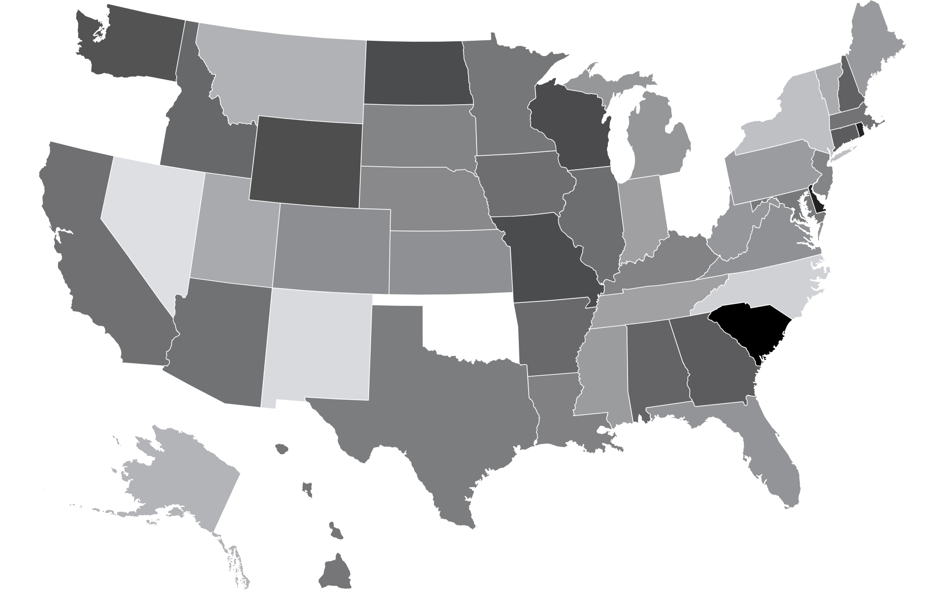
Average Salary by State
 | Salary Trend
 |  | Accountant | Auditor | Carpenter | Astronomer | Economist
 | Male
 | Female
 |  | Teacher | Geologist | Hairdresser | Producer | Interpreter
 | Male
 | Female
 |  | Engineer | Meteorologist | Electrician | Scientist | Botanist
 | Male
 | Male
 |  | Pharmacist
 | Male
 | Female

